TODAY
label | harmonized | BASELINE | PRIMOUT | PAT | RUN | CBL | VISIT | NEURO | MNSIFINAL | PE | PEMD | FUNDUS
Harmonized ID | id
Study ID | study_id | RELEASEID | RELEASEID | RELEASEID | RELEASEID | RELEASEID | RELEASEID | RELEASEID | RELEASEID | RELEASEID | RELEASEID | RELEASEID
Duration | dmduration |  |  | DXTIME
Age at diagnosis | dmagediag
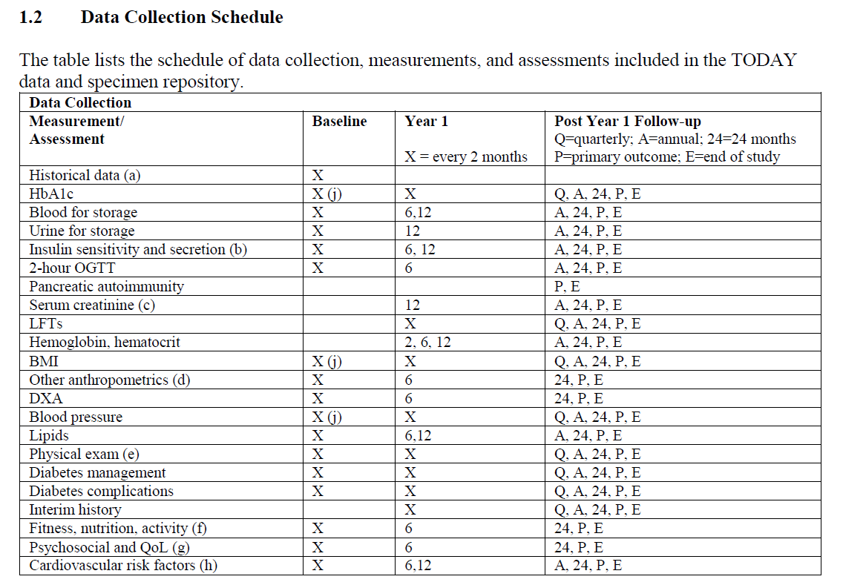
Age | age |  |  | AGE
Female | female |  |  | SEX
Race | race |  |  | RACE
Ethnicity | ethnicity
Alcohol | alcohol
Smoking | smoking
Family history of diabetes | dmfamilyhistory
Height | height
Weight | weight
BMI | bmi | BMI |  |  | BMI |  | BMI
SBP | sbp | SBP |  |  | SBP |  | SBP
DBP | dbp | DBP |  |  | DBP |  | DBP
Waist circumference | wc | wastcirc |  |  |  |  | WASTCIRC
HbA1c (%) | hba1c |  |  |  |  | HBA1C
Fasting insulin | insulinf |  |  |  |  | INS
Fasting c-peptide | cpeptidef |  |  |  |  | CPEP
Fasting glucose | glucosef |  |  |  |  | GLUCOSE
Random glucose | glucoser
2h OGTT glucose | glucose2h
HOMA-B | homab
HOMA-IR | homair
Total cholesterol | totalc |  |  |  |  | CHOL
LDL cholesterol | ldlc |  |  |  |  | LDL
HDL cholesterol | hdlc |  |  |  |  | HDL
VLDL cholesterol | vldlc |  |  |  |  | VLDL
Triglycerides | tgl |  |  |  |  | TRIG
Serum creatinine | serumcreatinine
Urine albumin | urinealbumin |  |  |  |  | UALB
Urine creatinine | urinecreatinine |  |  |  |  | UCREAT
Urine Albumin Creatinine ratio | uacr |  |  |  |  | UALBCREAT
Egfr | egfr
AST | ast |  |  |  |  | AST
ALT | alt |  |  |  |  | ALT

TODAY Specific variables
Release visit number (R=Pre-randomization, M00 = Baseline, M02-M78=Month 2 – Month78) | release_visit |  |  |  | MVISIT | MVISIT | MVISIT | MVISIT | PVISIT | MVISIT | PVISIT
Treatment Group | treatment |  | TX
Primary Outcome Status | primary_outcome |  | OUTCOME
Reason for primary outcome attainment | reasons_outcome |  | REASON
Days from randomization to censor date | daystocensor |  | DAYSTOCENSOR
Days from randomization to primary outcome interval start date | daystooutcome_start |  | DAYSTOPO_S
Days from randomization to primary outcome interval end date | daystooutcome_end |  | DAYSTOPO_E
LDL cholesterol measures in LD particles only without the contribution of IDL and Lp(a) | ldl_particles |  |  |  |  | LDLC
Free fatty acids | ffa |  |  |  |  | FFA
C-peptide measurement right before consuming glucose solution | cpep0 |  |  |  |  | CPEP0MIN
Glucose measurement right before consuming glucose solution | glucose0 |  |  |  |  | GLU0MIN
Insulin measurement right before consuming glucose solution | insulin0 |  |  |  |  | INS0MIN
C-peptide measurement 30 minutes after consuming glucose solution | cpep30 |  |  |  |  | CPEP30MIN
Glucose measurement 30 minutes after consuming glucose solution | glucose30 |  |  |  |  | GLU30MIN
Insulin measurement 30 minutes after consuming glucose solution | insulin30 |  |  |  |  | INS30MIN
C-peptide measurement 1 hour after consuming glucose solution | cpep60 |  |  |  |  | CPEP60MIN
Glucose measurement 1 hour after consuming glucose solution | glucose60 |  |  |  |  | GLU60MIN
Insulin measurement 1 hour after consuming glucose solution | insulin60 |  |  |  |  | INS60MIN
C-peptide measurement 90 minutes after consuming glucose solution | cpep90 |  |  |  |  | CPEP90MIN
Glucose measurement 90 minutes after consuming glucose solution | glucose90 |  |  |  |  | GLU90MIN
Insulin measurement 90 minutes after consuming glucose solution | insulin90 |  |  |  |  | INS90MIN
C-peptide measurement 2 hours after consuming glucose solution | cpep120 |  |  |  |  | CPEP2HR
Glucose measurement 2 hours after consuming glucose solution | glucose120 |  |  |  |  | GLU2HR
Insulin measurement 2 hours after consuming glucose solution | insulin120 |  |  |  |  | INS2HR
Glutamic acid decarboxylase | gada_value |  |  |  |  | GADINDEX
Insulinoma antigen 2 | ia2_value |  |  |  |  | IA2INDEX
BMI Percentile | bmipct | bmipct |  |  | BMIPCT |  | BMIPCT
BMI Zscore | bmiz | bmiz |  |  | BMIZ |  | BMIZ
On hypertention meds (self report from HEAQ meds list) | htndrug | antihyp |  |  |  |  | ANTIHYP
On lipid meds (self report from HEAQ meds list) | lipiddrug | liplow |  |  |  |  | LIPLOW
Diabetes medication other than study | dmdrugoral |  |  |  |  |  | DIABMED
On steroids | steroiddrug | ster |  |  |  |  | STER
On weight loss | weightlossdrug | whtsup |  |  |  |  | WHTSUP
Days since randomization | randdays | DAYS |  | DAYS | DAYS | DAYS | DAYS | DAYS | DAYS | DAYS | DAYS | DAYS

MNSI data
Outcomes--MNSI: 1. Are your legs and/or feet numb? | selfmnsi1 |  |  |  |  |  |  | bbnumb | bbnumb
Outcomes--MNSI: 2. Do you ever have any burning pain in your legs and/or feet? | selfmnsi2 |  |  |  |  |  |  | bbburn | bbburn
Outcomes--MNSI: 3. Are your feet too sensitive to touch? | selfmnsi3 |  |  |  |  |  |  | bbtouch | bbtouch
Outcomes--MNSI: 4. Do you get muscle cramps in your legs and/or feet? | selfmnsi4 |  |  |  |  |  |  | bbcramp | bbcramp
Outcomes--MNSI: 5. Do you ever have any prickling feelings in your legs or feet? | selfmnsi5 |  |  |  |  |  |  | bbprick | bbprick
Outcomes--MNSI: 6. Does it hurt when the bed covers touch your skin? | selfmnsi6 |  |  |  |  |  |  | bbskin | bbskin
Outcomes--MNSI: 7. When you get into the tub or shower, are you able to tell the hot water from the cold water? | selfmnsi7 |  |  |  |  |  |  | bbhc | bbhc
Outcomes--MNSI: 8. Have you ever had an open sore on your foot? | selfmnsi8 |  |  |  |  |  |  | bbsore | bbsore
Outcomes--MNSI: 9. Has your doctor ever told you that you have diabetic neuropathy? | selfmnsi9 |  |  |  |  |  |  | bbneurop | bbneurop
Outcomes--MNSI: 10. Do you feel weak all over most of the time? | selfmnsi10 |  |  |  |  |  |  | bbweak | bbweak
Outcomes--MNSI: 11. Are your symptoms worse at night? | selfmnsi11 |  |  |  |  |  |  | bbnight | bbnight
Outcomes--MNSI: 12. Do your legs hurt when you walk? | selfmnsi12 |  |  |  |  |  |  | bbwalk | bbwalk
Outcomes--MNSI: 13. Are you able to sense your feet when you walk? | selfmnsi13 |  |  |  |  |  |  | bbsense | bbsense
Outcomes--MNSI: 14. Is the skin on your feet so dry that it cracks open? | selfmnsi14 |  |  |  |  |  |  | bbdry | bbdry
Outcomes--MNSI: 15. Have you ever had an amputation? | selfmnsi15
Outcomes--MNSI: 1a. Appearance of Feet, Right Normal? | obsmnsir |  |  |  |  |  |  | mrfoot | mrfoot
Outcomes--MNSI: 1b. Abnormalities (R): Deformities | obsmnsir1 |  |  |  |  |  |  | mrdeform | mrdeform
Outcomes--MNSI: 1b. Abnormalities (R): Dry skin, callus | obsmnsir2 |  |  |  |  |  |  | mrdry | mrdry
Outcomes--MNSI: 1b. Abnormalities (R): Infection | obsmnsir3 |  |  |  |  |  |  | mrinfec | mrinfec
Outcomes--MNSI: 1b. Abnormalities (R): Fissure | obsmnsir4 |  |  |  |  |  |  | mrfiss | mrfiss
Outcomes--MNSI: 1b. Abnormalities (R): Other | obsmnsir5
Outcomes--MNSI: 1a. Appearance of Feet, Left Normal? | obsmnsil |  |  |  |  |  |  | mlfoot | mlfoot
Outcomes--MNSI: 1b. Abnormalities (L): Deformities | obsmnsil1 |  |  |  |  |  |  | mldeform | mldeform
Outcomes--MNSI: 1b. Abnormalities (L): Dry skin, callus | obsmnsil2 |  |  |  |  |  |  | mldry | mldry
Outcomes--MNSI: 1b. Abnormalities (L): Infection | obsmnsil3 |  |  |  |  |  |  | mlinfec | mlinfec
Outcomes--MNSI: 1b. Abnormalities (L): Fissure | obsmnsil4 |  |  |  |  |  |  | mlfiss | mlfiss
Outcomes--MNSI: 1b. Abnormalities (L): Other | obsmnsil5
Outcomes--MNSI: 2. Ulceration (R) | obsmnsir_ulcer |  |  |  |  |  |  | mlulcer | mlulcer
Outcomes--MNSI: 2. Ulceration (L) | obsmnsil_ulcer |  |  |  |  |  |  | mrulcer | mrulcer
Outcomes--MNSI: 3. Ankle Reflexes (R) | obsmnsir_reflex |  |  |  |  |  |  | mlankle | mlankle
Outcomes--MNSI: 3. Ankle Reflexes (L) | obsmnsil_reflex |  |  |  |  |  |  | mrankle | mrankle
Outcomes--MNSI: 4. Vibration perception at the great toe (R) | obsmnsir_perception |  |  |  |  |  |  | mltoe | mltoe
Outcomes--MNSI: 4. Vibration perception at the great toe (L) | obsmnsil_perception |  |  |  |  |  |  | mrtoe | mrtoe
Outcomes--MNSI: 5. 10 gm filament (number of applications detected out of 10 applications): ® | obsmnsir_filament |  |  |  |  |  |  | mlfilam | mlfilam
Outcomes--MNSI: 5. 10 gm filament (number of applications detected out of 10 applications): (L) | obsmnsil_filament |  |  |  |  |  |  | mrfilam | mrfilam
Physical Exam: HEENT | heent |  |  |  |  |  |  |  |  | HEENT | HEENT
Physical Exam: Thyroid | thyroid |  |  |  |  |  |  |  |  | THYROID | THYROID
Physical Exam: Lungs | lungs |  |  |  |  |  |  |  |  | LUNGS | LUNGS
Physical Exam: Heart | heart |  |  |  |  |  |  |  |  | HEART | HEART
Physical Exam: Abdomen | abdomen |  |  |  |  |  |  |  |  |  | ABDOMEN
Physical Exam: Extremeties (e.g. pitting edema) | extremeties |  |  |  |  |  |  |  |  |  | EXTREM
Physical Exam: Skin | skin |  |  |  |  |  |  |  |  |  | SKIN
Physical Exam: Neurologic (except MNSI) | neuro |  |  |  |  |  |  |  |  |  | NEURO
Diabetic retinopathy (DR) severity level of study eye | drseverity |  |  |  |  |  |  |  |  |  |  | DRSEVERITY
Surface wrinkling retinopathy/epiretinal membrane within grid | swrermingrid |  |  |  |  |  |  |  |  |  |  | SWRERMINGRID
Diabetic retinopathy severity level of both eyes for the specified subject | drseveritysubject |  |  |  |  |  |  |  |  |  |  | DRSEVERITYSUBJECT
While the participant’s mother was pregnant with the participant, did a health care provider ever tell her that she had diabetes? | mom_gdm |  |  | MOMGDM
If YES, a. Did the diabetes go away after the participant was born? | mom_gdma |  |  | MOMGDMA
Did the participant’s mother have diabetes with any other pregnancy? | mom_gdmoth |  |  | MGDMOTH
Was the participant’s mother ever diagnosed with diabetes? | mom_dm |  |  | MOMDBNOW
Was the participant’s father ever diagnosed with diabetes? | dad_dm |  |  | DADDBNOW
Has a full sibling with history of diabetes? | fullsib_dm |  |  | FULLDIAB
Has a half sibling with history of diabetes? | halfsib_dm |  |  | HALFDIAB
Did biologic grandparent ever have diabetes? | grand_dm |  |  | GRANDIAB

